Sheet1
Or | Nombre | HP | Atk | Def | Vel | SpeAtk | SpeDef
1 | squirtle | 44 | 48 | 65 | 43 | 50 | 64 | Mayor HP:
2 | wartortle | 59 | 63 | 80 | 58 | 65 | 80 | Wailord
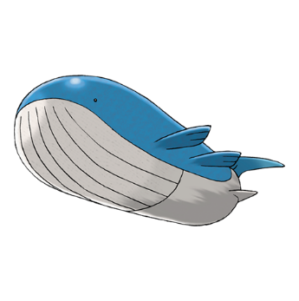
3 | blastoise | 79 | 83 | 100 | 78 | 85 | 105
4 | psyduck | 50 | 52 | 48 | 55 | 65 | 50
5 | golduck | 80 | 82 | 78 | 85 | 95 | 80
6 | poliwag | 40 | 50 | 40 | 90 | 40 | 40
7 | poliwhirl | 65 | 65 | 65 | 90 | 50 | 50
8 | poliwrath | 90 | 95 | 95 | 70 | 70 | 90
9 | tentacool | 40 | 40 | 35 | 70 | 50 | 100 | HP: 170
10 | tentacruel | 80 | 70 | 65 | 100 | 80 | 120
11 | slowpoke | 90 | 65 | 65 | 15 | 40 | 40 | Mayor Ataque:

12 | slowbro | 95 | 75 | 110 | 30 | 100 | 80 | Palafin (Heróico)
13 | seel | 65 | 45 | 55 | 45 | 45 | 70
14 | dewgong | 90 | 70 | 80 | 70 | 70 | 95
15 | shellder | 30 | 65 | 100 | 40 | 45 | 25
16 | cloyster | 50 | 95 | 180 | 70 | 85 | 45
17 | krabby | 30 | 105 | 90 | 50 | 25 | 25
18 | kingler | 55 | 130 | 115 | 75 | 50 | 50
19 | horsea | 30 | 40 | 70 | 60 | 70 | 25 | Atk: 160
20 | seadra | 55 | 65 | 95 | 85 | 95 | 45
21 | goldeen | 45 | 67 | 60 | 63 | 35 | 50 | Mayor Defensa:
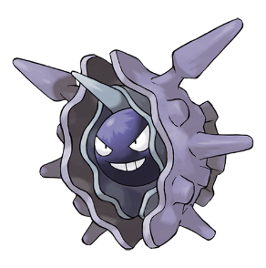
22 | seaking | 80 | 92 | 65 | 68 | 65 | 80 | Cloyster
23 | staryu | 30 | 45 | 55 | 85 | 70 | 55
24 | starmie | 60 | 75 | 85 | 115 | 100 | 85
25 | magikarp | 20 | 10 | 55 | 80 | 15 | 20
26 | gyarados | 95 | 125 | 79 | 81 | 60 | 100
27 | lapras | 130 | 85 | 80 | 60 | 85 | 95
28 | vaporeon | 130 | 65 | 60 | 65 | 110 | 95
29 | omanyte | 35 | 40 | 100 | 35 | 90 | 55 | Def: 180
30 | omastar | 70 | 60 | 125 | 55 | 115 | 70
31 | kabuto | 30 | 80 | 90 | 55 | 55 | 45 | Mayor Velocidad:
32 | kabutops | 60 | 115 | 105 | 80 | 65 | 70 | Ferrosaco
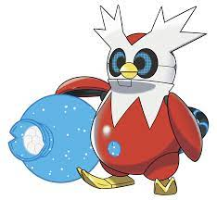
33 | totodile | 50 | 65 | 64 | 43 | 44 | 48
34 | croconaw | 65 | 80 | 80 | 58 | 59 | 63
35 | feraligatr | 85 | 105 | 100 | 78 | 79 | 83
36 | chinchou | 75 | 38 | 38 | 67 | 56 | 56
37 | lanturn | 125 | 58 | 58 | 67 | 76 | 76
38 | marill | 70 | 20 | 50 | 40 | 20 | 50
39 | azumarill | 100 | 50 | 80 | 50 | 60 | 80 | Spe: 136
40 | politoed | 90 | 75 | 75 | 70 | 90 | 100
41 | wooper | 55 | 45 | 45 | 15 | 25 | 25
42 | quagsire | 95 | 85 | 85 | 35 | 65 | 65
43 | slowking | 95 | 75 | 80 | 30 | 100 | 110
44 | qwilfish | 65 | 95 | 85 | 85 | 55 | 55
45 | corsola | 65 | 55 | 95 | 35 | 65 | 95
46 | remoraid | 35 | 65 | 35 | 65 | 65 | 35
47 | octillery | 75 | 105 | 75 | 45 | 105 | 75
48 | mantine | 85 | 40 | 70 | 70 | 80 | 140
49 | kingdra | 75 | 95 | 95 | 85 | 95 | 95 | Mayor Ataque Especial:
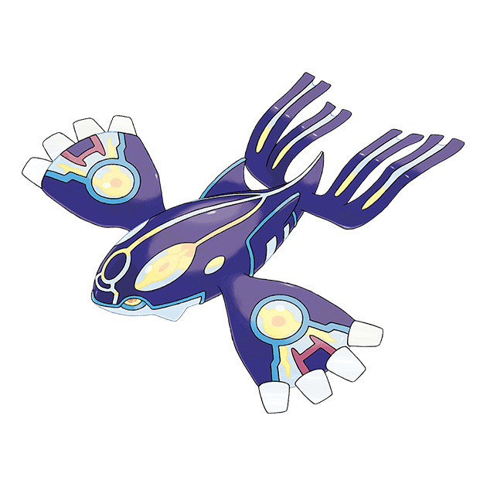
50 | suicune | 100 | 75 | 115 | 85 | 90 | 115 | Kyogre (Primigenio)
51 | mudkip | 50 | 70 | 50 | 40 | 50 | 50
52 | marshtomp | 70 | 85 | 70 | 50 | 60 | 70
53 | swampert | 100 | 110 | 90 | 60 | 85 | 90
54 | lotad | 40 | 30 | 30 | 30 | 40 | 50
55 | lombre | 60 | 50 | 50 | 50 | 60 | 70
56 | ludicolo | 80 | 70 | 70 | 70 | 90 | 100
57 | wingull | 40 | 30 | 30 | 85 | 55 | 30 | SpAtk: 180
58 | pelipper | 60 | 50 | 100 | 65 | 95 | 70
59 | surskit | 40 | 30 | 32 | 65 | 50 | 52 | Mayor Defensa Especial:
60 | carvanha | 45 | 90 | 20 | 65 | 65 | 20 | Kyogre (Primigenio)
61 | sharpedo | 70 | 120 | 40 | 95 | 95 | 40
62 | wailmer | 130 | 70 | 35 | 60 | 70 | 35
63 | wailord | 170 | 90 | 45 | 60 | 90 | 45
64 | barboach | 50 | 48 | 43 | 60 | 46 | 41
65 | whiscash | 110 | 78 | 73 | 60 | 76 | 71
66 | corphish | 43 | 80 | 65 | 35 | 50 | 35
67 | crawdaunt | 63 | 120 | 85 | 55 | 90 | 55 | SpDef: 160
68 | feebas | 20 | 15 | 20 | 80 | 10 | 55
69 | milotic | 95 | 60 | 79 | 81 | 100 | 125
70 | spheal | 70 | 40 | 50 | 25 | 55 | 50
71 | sealeo | 90 | 60 | 70 | 45 | 75 | 70
72 | walrein | 110 | 80 | 90 | 65 | 95 | 90
73 | clamperl | 35 | 64 | 85 | 32 | 74 | 55
74 | huntail | 55 | 104 | 105 | 52 | 94 | 75
75 | gorebyss | 55 | 84 | 105 | 52 | 114 | 75
76 | relicanth | 100 | 90 | 130 | 55 | 45 | 65
77 | luvdisc | 43 | 30 | 55 | 97 | 40 | 65
78 | kyogre | 100 | 100 | 90 | 90 | 150 | 140
79 | piplup | 53 | 51 | 53 | 40 | 61 | 56
80 | prinplup | 64 | 66 | 68 | 50 | 81 | 76
81 | empoleon | 84 | 86 | 88 | 60 | 111 | 101
82 | bibarel | 79 | 85 | 60 | 71 | 55 | 60
83 | buizel | 55 | 65 | 35 | 85 | 60 | 30
84 | floatzel | 85 | 105 | 55 | 115 | 85 | 50
85 | shellos | 76 | 48 | 48 | 34 | 57 | 62
86 | gastrodon | 111 | 83 | 68 | 39 | 92 | 82
87 | finneon | 49 | 49 | 56 | 66 | 49 | 61
88 | lumineon | 69 | 69 | 76 | 91 | 69 | 86
89 | mantyke | 45 | 20 | 50 | 50 | 60 | 120
90 | palkia | 90 | 120 | 100 | 100 | 150 | 120
91 | phione | 80 | 80 | 80 | 80 | 80 | 80
92 | manaphy | 100 | 100 | 100 | 100 | 100 | 100
93 | oshawott | 55 | 55 | 45 | 45 | 63 | 45
94 | dewott | 75 | 75 | 60 | 60 | 83 | 60
95 | samurott | 95 | 100 | 85 | 70 | 108 | 70
96 | panpour | 50 | 53 | 48 | 64 | 53 | 48
97 | simipour | 75 | 98 | 63 | 101 | 98 | 63
98 | tympole | 50 | 50 | 40 | 64 | 50 | 40
99 | palpitoad | 75 | 65 | 55 | 69 | 65 | 55
100 | seismitoad | 105 | 95 | 75 | 74 | 85 | 75
101 | basculin-red-striped | 70 | 92 | 65 | 98 | 80 | 55
102 | tirtouga | 54 | 78 | 103 | 22 | 53 | 45
103 | carracosta | 74 | 108 | 133 | 32 | 83 | 65
104 | ducklett | 62 | 44 | 50 | 55 | 44 | 50
105 | swanna | 75 | 87 | 63 | 98 | 87 | 63
106 | frillish | 55 | 40 | 50 | 40 | 65 | 85
107 | jellicent | 100 | 60 | 70 | 60 | 85 | 105
108 | alomomola | 165 | 75 | 80 | 65 | 40 | 45
109 | keldeo-ordinary | 91 | 72 | 90 | 108 | 129 | 90
110 | froakie | 41 | 56 | 40 | 71 | 62 | 44
111 | frogadier | 54 | 63 | 52 | 97 | 83 | 56
112 | greninja | 72 | 95 | 67 | 122 | 103 | 71
113 | binacle | 42 | 52 | 67 | 50 | 39 | 56
114 | barbaracle | 72 | 105 | 115 | 68 | 54 | 86
115 | skrelp | 50 | 60 | 60 | 30 | 60 | 60
116 | clauncher | 50 | 53 | 62 | 44 | 58 | 63
117 | clawitzer | 71 | 73 | 88 | 59 | 120 | 89
118 | volcanion | 80 | 110 | 120 | 70 | 130 | 90
119 | popplio | 50 | 54 | 54 | 40 | 66 | 56
120 | brionne | 60 | 69 | 69 | 50 | 91 | 81
121 | primarina | 80 | 74 | 74 | 60 | 126 | 116
122 | wishiwashi-solo | 45 | 20 | 20 | 40 | 25 | 25
123 | mareanie | 50 | 53 | 62 | 45 | 43 | 52
124 | toxapex | 50 | 63 | 152 | 35 | 53 | 142
125 | dewpider | 38 | 40 | 52 | 27 | 40 | 72
126 | araquanid | 68 | 70 | 92 | 42 | 50 | 132
127 | wimpod | 25 | 35 | 40 | 80 | 20 | 30
128 | golisopod | 75 | 125 | 140 | 40 | 60 | 90
129 | pyukumuku | 55 | 60 | 130 | 5 | 30 | 130
130 | bruxish | 68 | 105 | 70 | 92 | 70 | 70
131 | tapu-fini | 70 | 75 | 115 | 85 | 95 | 130
132 | sobble | 50 | 40 | 40 | 70 | 70 | 40
133 | drizzile | 65 | 60 | 55 | 90 | 95 | 55
134 | inteleon | 70 | 85 | 65 | 120 | 125 | 65
135 | chewtle | 50 | 64 | 50 | 44 | 38 | 38
136 | drednaw | 90 | 115 | 90 | 74 | 48 | 68
137 | cramorant | 70 | 85 | 55 | 85 | 85 | 95
138 | arrokuda | 41 | 63 | 40 | 66 | 40 | 30
139 | barraskewda | 61 | 123 | 60 | 136 | 60 | 50
140 | dracovish | 90 | 90 | 100 | 75 | 70 | 80
141 | arctovish | 90 | 90 | 100 | 55 | 80 | 90
142 | basculegion-male | 120 | 112 | 65 | 78 | 80 | 75
143 | quaxly | 55 | 65 | 45 | 50 | 50 | 45
144 | quaxwell | 70 | 85 | 65 | 65 | 65 | 60
145 | quaquaval | 85 | 120 | 80 | 85 | 85 | 75
146 | wiglett | 10 | 55 | 25 | 95 | 35 | 25
147 | wugtrio | 35 | 100 | 50 | 120 | 50 | 70
148 | finizen | 70 | 45 | 40 | 75 | 45 | 40
149 | palafin | 100 | 70 | 72 | 100 | 53 | 62
150 | veluza | 90 | 102 | 73 | 70 | 78 | 65
151 | dondozo | 150 | 100 | 115 | 35 | 65 | 65
152 | tatsugiri | 68 | 50 | 60 | 82 | 120 | 95
153 | iron-bundle | 56 | 80 | 114 | 136 | 124 | 60
154 | walking-wake | 99 | 83 | 91 | 109 | 125 | 83
155 | rotom-wash | 50 | 65 | 107 | 86 | 105 | 107
156 | castform-rainy | 70 | 70 | 70 | 70 | 70 | 70
157 | basculin-blue-striped | 70 | 92 | 65 | 98 | 80 | 55
158 | keldeo-resolute | 91 | 72 | 90 | 108 | 129 | 90
159 | blastoise-mega | 79 | 103 | 120 | 78 | 135 | 115
160 | gyarados-mega | 95 | 155 | 109 | 81 | 70 | 130
161 | swampert-mega | 100 | 150 | 110 | 70 | 95 | 110
162 | sharpedo-mega | 70 | 140 | 70 | 105 | 110 | 65
163 | slowbro-mega | 95 | 75 | 180 | 30 | 130 | 80
164 | kyogre-primal | 100 | 150 | 90 | 90 | 180 | 160
165 | greninja-battle-bond | 72 | 95 | 67 | 122 | 103 | 71
166 | greninja-ash | 72 | 145 | 67 | 132 | 153 | 71
167 | wishiwashi-school | 45 | 140 | 130 | 30 | 140 | 135
168 | araquanid-totem | 68 | 70 | 92 | 42 | 50 | 132
169 | cramorant-gulping | 70 | 85 | 55 | 85 | 85 | 95
170 | cramorant-gorging | 70 | 85 | 55 | 85 | 85 | 95
171 | urshifu-rapid-strike | 100 | 130 | 100 | 97 | 63 | 60
172 | blastoise-gmax | 79 | 83 | 100 | 78 | 85 | 105
173 | kingler-gmax | 55 | 130 | 115 | 75 | 50 | 50
174 | lapras-gmax | 130 | 85 | 80 | 60 | 85 | 95
175 | inteleon-gmax | 70 | 85 | 65 | 120 | 125 | 65
176 | drednaw-gmax | 90 | 115 | 90 | 74 | 48 | 68
177 | urshifu-rapid-strike-gmax | 100 | 130 | 100 | 97 | 63 | 60
178 | samurott-hisui | 90 | 108 | 80 | 85 | 100 | 65
179 | palkia-origin | 90 | 100 | 100 | 120 | 150 | 120
180 | basculin-white-striped | 70 | 92 | 65 | 98 | 80 | 55
181 | basculegion-female | 120 | 92 | 65 | 78 | 100 | 75
182 | tauros-paldea-aqua-breed | 75 | 110 | 105 | 100 | 30 | 70
183 | palafin-hero | 100 | 160 | 97 | 100 | 106 | 87
184 | tatsugiri-droopy | 68 | 50 | 60 | 82 | 120 | 95
185 | tatsugiri-stretchy | 68 | 50 | 60 | 82 | 120 | 95
186 | ogerpon-wellspring-mask | 80 | 120 | 84 | 110 | 60 | 96

